Overview
Overview

Child Protection Register

At 30 September 2013, 1,933 children were on the Child Protection Register in Northern Ireland. This represents an increase on the previous quarter which is not consistent with the gradual decline in numbers of children on the Register seen throughout 2011 and 2012. The lowest number of children on the Register in the past ten years occurred in 2004, when approximately 400 fewer children were on the Child Protection Register.

Figure 1: Revised: Children on the Child Protection Register 31 March 2002 - 30 September 2013
31st March 2002 | 1531
31st March 2003 | 1608
31st March 2004 | 1417
31st March 2005 | 1593
31st March 2006 | 1639
31st March 2007 | 1805
31st March 2008 | 2071
31st March 2009 | 2488
31st March 2010 | 2357
30th June 2010 | 2427
30th September 2010 | 2533
31st December 2010 | 2378
31st March 2011 | 2401
30th June 2011 | 2215
30th September 2011 | 2220
31st December 2011 | 2173
31st March 2012 | 2127
30th June 2012 | 1985
30th September 2012 | 2040
31st December 2012 | 2009
31st March 2013 | 1961
30th June 2013 | 1790
30th September 2013 | 1934

Source: Children Order Return CPR4

Child Protection Referrals

Figure 2 sets out the number of child protection referrals between quarters ending 31 March 2010 and 30 September 2013. 937 Child Protection Referrals were received during quarter ending 30 September 2013; the lowest number of referrals received during the period. The highest number was recorded in quarter ending 31 March 2011, when 1,271 referrals were received.

Figure 2: Child Protection Referrals 31 March 2010 - 30 September 2013
31 March 2010 | 1064
30 June 2010 | 1211
30 September 2010 | 1078
31 December 2010 | 1070
31 March 2011 | 1271
30 June 2011 | 1186
30 September 2011 | 1079
31 December 2011 | 1030
31 March 2012 | 1135
30 June 2012 | 1074
30 September 2012 | 964
31 December 2012 | 1108
31 March 2013 | 1049
30 June 2013 | 1128
30 September 2013 | 937

Source: Children Order Return CPR3

Figure 3
 | Belfast HSC Trust | Northern HSC Trust | South Eastern HSC Trust | Southern HSC Trust | Western HSC Trust | Northern Ireland
Under 1 | 0.13436692506 | 0.08904109589 | 0.095238095238 | 0.12972972973 | 0.11470588235 | 0.11168562565
1 - 4 | 0.31007751938 | 0.29223744292 | 0.30325814536 | 0.26756756757 | 0.29117647059 | 0.29317476732
5 - 11 | 0.34625322997 | 0.3904109589 | 0.37593984962 | 0.38648648649 | 0.36470588235 | 0.37331954498
12 - 15 | 0.1834625323 | 0.18721461187 | 0.18045112782 | 0.17027027027 | 0.18529411765 | 0.18148914168
16 & Over | 0.025839793282 | 0.041095890411 | 0.045112781955 | 0.045945945946 | 0.044117647059 | 0.040330920372
Figure 3: Revised: The Age Profile of Children on the Child Protection Register at 30 September 2013

Source: Children Order Return CPR4

Figure 3 sets out the proportion of children on the child protection register by age category and HSC Trust. In general the age distribution was similar in each Trust with most children in the 5-11 age category and least children in the 16 and over category.

Figure 4
Figure 4: Revised: Child Protection Register Counts by Trust 31 March 2010 - 30 September 2013
 | Belfast HSC Trust | Northern HSC Trust | South Eastern HSC Trust | Southern HSC Trust | Western HSC Trust
31 March 2010 | 586 | 372 | 709 | 461 | 229
30 June 2010 | 592 | 409 | 757 | 460 | 209
30 September 2010 | 629 | 430 | 758 | 498 | 218
31 December 2010 | 553 | 418 | 677 | 518 | 212
31 March 2011 | 555 | 452 | 686 | 473 | 235
30 June 2011 | 545 | 407 | 620 | 413 | 230
30 September 2011 | 549 | 393 | 590 | 391 | 297
31 December 2011 | 511 | 424 | 567 | 384 | 287
31 March 2012 | 474 | 458 | 529 | 363 | 303
30 June 2012 | 447 | 474 | 462 | 341 | 261
30 September 2012 | 436 | 534 | 466 | 338 | 266
31 December 2012 | 462 | 560 | 401 | 303 | 283
31 March 2013 | 424 | 525 | 402 | 313 | 297
30 June 2013 | 378 | 436 | 359 | 316 | 301
30 September 2013 | 387 | 438 | 399 | 369 | 340

Source: Children Order Return CPR4

The count of 1,934 children on the Child Protection Register at 30 September 2013 represented an 8% increase on the previous quarter (1,790).

Since the previous quarter, register counts increased by 17% (53) in the Southern Trust, by 13% (39) in the Western Trust, by 11% (40) in the South Eastern Trust and by 2% (9) in the Belfast Trust. There was no percentage change in the numbers of children on the register in the Northern Trust.

Compared with the same time last year (September 2012), the number of children registered decreased by 5% (107), from 2,040 to 1,934. Annual changes by Trusts ranged from an increase of 28% (74) in the Western Trust to a drop of 18% (96) in the Northern Trust.

Table 1.2 (overleaf) sets out the quarterly number of children on the Child Protection Register per 10,000 population under 18 years. Regionally, the quarterly rate has ranged from 58.9 children per 10,000 population under 18 at 30 September 2010 to 41.5 children per 10,000 under 18 at 30 June 2013.

Figure 5
Figure 5: Revised: Children on the Child Protection Register per 10,000 Population Under 18 Years 31 March 2010 - 30 September 2013
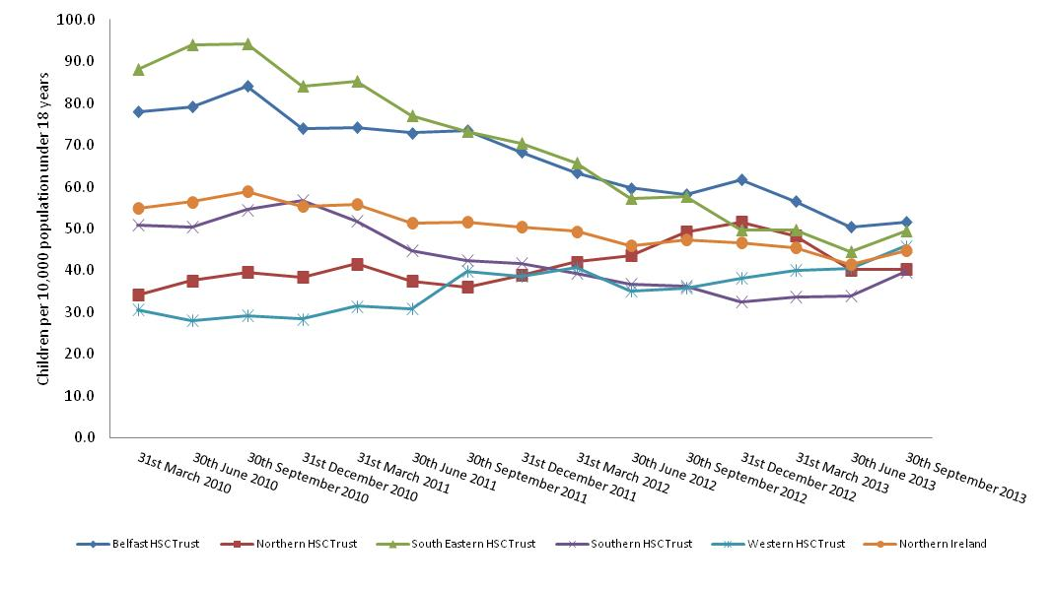

Source: Children Order Return CPR4

The numbers of children on the register per 10,000 populations have been higher in the Belfast and South Eastern Trusts. There are still variations between the Trusts; however the rates have narrowed substantially over the last quarters.

Figure 6
Figure 6: Revised: Legal Status of Children on the Child Protection Register 31 March 2010 – 30 September 2013
 | Accommodated (Article 21) | Interim Care Order (Article 57) | Care Order (Article 50 or 59) | Other | None
31 March 2010 | 0.10969927997 | 0.047437526472 | 0.020753917831 | 0.015671325709 | 0.80643795002
30 June 2010 | 0.10474226804 | 0.039587628866 | 0.022268041237 | 0.014020618557 | 0.8193814433
30 September 2010 | 0.069877615476 | 0.03750493486 | 0.024476904856 | 0.01579155152 | 0.85234899329
31 December 2010 | 0.057611438183 | 0.029015979815 | 0.013036164844 | 0.015979814971 | 0.88435660219
31 March 2011 | 0.062057476052 | 0.034568929613 | 0.009162848813 | 0.006247396918 | 0.8879633486
30 June 2011 | 0.053273137698 | 0.030699774266 | 0.0049661399549 | 0.0076749435666 | 0.90338600451
30 September 2011 | 0.048648648649 | 0.034684684685 | 0.0054054054054 | 0.01036036036 | 0.9009009009
31 December 2011 | 0.045559134837 | 0.041877588587 | 0.0069028992177 | 0.011504832029 | 0.89415554533
31 March 2012 | 0.047484720263 | 0.040432534086 | 0.0075223319229 | 0.0098730606488 | 0.89468735308
30 June 2012 | 0.035768261965 | 0.029722921914 | 0.010579345088 | 0.011083123426 | 0.91284634761
30 September 2012 | 0.044607843137 | 0.036764705882 | 0.0073529411765 | 0.013725490196 | 0.89754901961
31 December 2012 | 0.043802887008 | 0.039820806371 | 0.0044798407168 | 0.016426082628 | 0.89547038328
31 March 2013 | 0.04793472718 | 0.038755736869 | 0.0035696073432 | 0.020397756247 | 0.88934217236
30 June 2013 | 0.045251396648 | 0.034636871508 | 0.0016759776536 | 0.022905027933 | 0.89553072626
30 September 2013 | 0.045501551189 | 0.042399172699 | 0.0087900723888 | 0.022233712513 | 0.88107549121

Source: Children Order Return CPR4

The composition of the Register by legal status has remained relatively stable between 31 March 2010 and 30 June 2013, with a seven percentage point increase in the proportion of children with no legal status and a six percentage point decrease in those children Accommodated (Article 21).

Figure 7
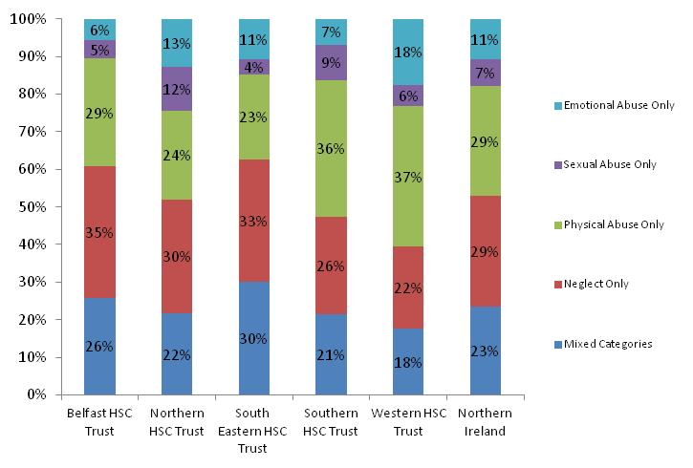
Figure 7: Revised: Children on the Child Protection Register by Category of Abuse and Trust at 30 September 2013

Source: Children Order Return CPR2

At 30 September 2013, the South Eastern Trust had the highest proportion of children on the Child Protection Register due to Mixed Categories of Abuse (30%). In comparison, 18% of children in the Western Trust were registered due to Mixed Categories of Abuse.

For all Trusts the largest proportions of children were on the Register due to neglect only except in the Southern and Western Trusts where physical abuse only accounted for the largest proportion of children on the Register.

Of the categories listed in Figure 7, ‘Sexual Abuse Only’ represented the smallest proportion, across the Trusts, except in the Southern Trust where Emotional Abuse represented the smallest proportion.

Figure 8
Figure 8: Revised: Children on the Child Protection Register by Duration and Trust at 30 September 2013
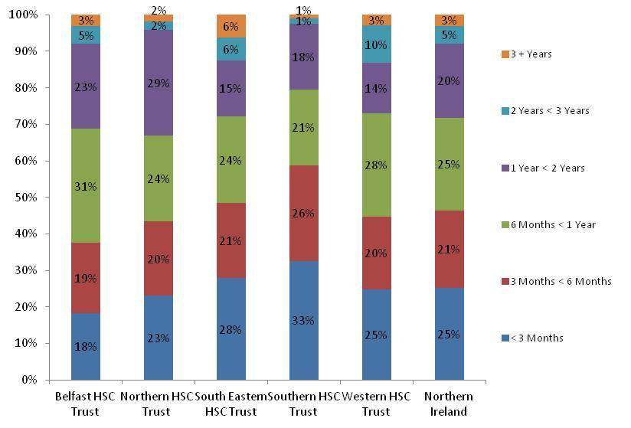

Source: Children Order Return CPR5

The Southern Trust had the largest proportion of children on the Register for less than one year at 79%, in comparison 67% of children in the Northern Trust had been on the Register for this length of time.

2% of children in the Southern Trust had been on the Register for two years or longer compared to 13% of children within the Western and South Eastern Trust who had been on the Register for this length of time.

Figure 9
Table 1.6 overleaf sets out the number of child protection referrals for the quarter ending 30 September 2013, by source of referral.

Child Protection Referrals for the quarter ending 30 September 2013 (937) were 17% lower than the previous quarter (1,128) and 3% below the referrals count for the same quarter in 2012 (964).

937 child protection referrals were received during quarter ending 30 September 2013. Counts of referrals during this quarter indicated that 31% (295) were in the South Eastern Trust, 27% (250) were in the Southern Trust, 16% (151) were in the Northern Trust, 15% (140) were in the Western Trust and 11% (101) were in the Belfast Trust.

The largest proportion of referrals originated from within Social Services (55%), followed by the police (PSNI - 13%), Relatives, neighbours and friends represented 6% and School or an Educational Welfare Officer accounted for (4%) of the referrals.

For all Trusts the main source of referrals was within local Social Services. However variation in these counts exists between Trusts, with almost nine in ten (86%) of referrals in the Northern Trust from Social Services compared to just over two fifths of referrals (44%) in the South Eastern Trust.

Figure 9: Source of Child Protection Referrals in Northern Ireland 31 March 2010 – 30 September 2013
 | Police | School / EWO | GP/Community Nursing/Hospital | Social Services | Relative/Neighbour/Friend | Voluntary Organiation | Self | Anonymous | Other
31 March 2010 | 0.13439849624 | 0.079887218045 | 0.056390977444 | 0.42857142857 | 0.085526315789 | 0.012218045113 | 0.0046992481203 | 0.038533834586 | 0.15977443609
30 June 2010 | 0.097440132122 | 0.078447563997 | 0.071841453344 | 0.40545004129 | 0.060280759703 | 0.0082576383154 | 0.018992568126 | 0.059454995871 | 0.19983484723
30 September 2010 | 0.14471243043 | 0.030612244898 | 0.083487940631 | 0.3961038961 | 0.084415584416 | 0.017625231911 | 0.015769944341 | 0.049165120594 | 0.17810760668
31 December 2010 | 0.11121495327 | 0.10093457944 | 0.064485981308 | 0.47102803738 | 0.071028037383 | 0.01308411215 | 0.010280373832 | 0.048598130841 | 0.10934579439
31 March 2011 | 0.14319433517 | 0.13768686074 | 0.070810385523 | 0.43745082612 | 0.055861526357 | 0.0086546026751 | 0.011801730921 | 0.033831628639 | 0.10070810386
30 June 2011 | 0.14165261383 | 0.10370994941 | 0.066610455312 | 0.44519392917 | 0.051433389545 | 0.011804384486 | 0.010118043845 | 0.033726812816 | 0.13575042159
30 September 2011 | 0.17145505097 | 0.061167747915 | 0.075069508804 | 0.43466172382 | 0.06765523633 | 0.014828544949 | 0.012048192771 | 0.045412418906 | 0.11770157553
31 December 2011 | 0.16213592233 | 0.099029126214 | 0.065048543689 | 0.46699029126 | 0.057281553398 | 0.025242718447 | 0.020388349515 | 0.025242718447 | 0.078640776699
31 March 2012 | 0.13303964758 | 0.10748898678 | 0.049339207048 | 0.47488986784 | 0.049339207048 | 0.015859030837 | 0.017621145374 | 0.019383259912 | 0.13303964758
30 June 2012 | 0.12569832402 | 0.082867783985 | 0.059590316574 | 0.54003724395 | 0.049348230912 | 0.0093109869646 | 0.0093109869646 | 0.024208566108 | 0.099627560521
30 September 2012 | 0.22199170124 | 0.033195020747 | 0.06846473029 | 0.44087136929 | 0.065352697095 | 0.010373443983 | 0.017634854772 | 0.029045643154 | 0.11307053942
31 December 2012 | 0.19314079422 | 0.092057761733 | 0.059566787004 | 0.45577617329 | 0.056859205776 | 0.0063176895307 | 0.019855595668 | 0.019855595668 | 0.096570397112
31 March 2013 | 0.15633937083 | 0.11153479504 | 0.08484270734 | 0.44613918017 | 0.058150619638 | 0.001906577693 | 0.010486177312 | 0.01906577693 | 0.11153479504
30 June 2013 | 0.14184397163 | 0.1054964539 | 0.079787234043 | 0.45390070922 | 0.038120567376 | 0.021276595745 | 0.016843971631 | 0.031914893617 | 0.11081560284
30 September 2013 | 0.12593383138 | 0.035218783351 | 0.045891141942 | 0.54535752401 | 0.061899679829 | 0.0064034151547 | 0.0074706510139 | 0.052294557097 | 0.11953041622

Source: Children Order Return CPR3
EWO – Educational Welfare Officer

The sources of Child Protection Referrals have remained relatively constant since 31 March 2010, with small variations between Referrals from Police, School or medical sources. Social Services have consistently accounted for the highest percentage of Referrals ranging between 40% at quarter ending 30 September 2010 and 55% for quarter ending 30 September 2013.

Figure 10
Figure 10: Child Protection Referrals by Trust 31 March 2010 – 30 September 2013
 | Belfast HSC Trust | Northern HSC Trust | South Eastern HSC Trust | Southern HSC Trust | Western HSC Trust
31 March 2010 | 134 | 154 | 416 | 278 | 82
30 June 2010 | 145 | 131 | 507 | 318 | 110
30 September 2010 | 116 | 113 | 418 | 340 | 91
31 December 2010 | 143 | 100 | 309 | 366 | 152
31 March 2011 | 168 | 194 | 447 | 347 | 115
30 June 2011 | 167 | 141 | 432 | 310 | 136
30 September 2011 | 146 | 132 | 370 | 293 | 138
31 December 2011 | 150 | 181 | 354 | 250 | 95
31 March 2012 | 159 | 213 | 314 | 325 | 124
30 June 2012 | 176 | 224 | 284 | 296 | 94
30 September 2012 | 114 | 153 | 294 | 272 | 131
31 December 2012 | 162 | 207 | 279 | 314 | 146
31 March 2013 | 123 | 136 | 305 | 332 | 153
30 June 2013 | 135 | 161 | 300 | 352 | 180
30 September 2013 | 101 | 151 | 295 | 250 | 140

Source: Children Order Return CPR3

Compared with the quarter ending 30 June 2013, the number of referrals have fallen by 29% (102) in the Southern Trust, by 25% (34) in the Belfast Trust, by 22% (40) in the Western Trust, by 6% (10) in the Southern Trust and by 2% (5) in the South Eastern Trust.

Figure 11
Figure 11: Child Protection Register and Referral Counts for the Belfast HSC Trust 31 March 2010 - 30 September 2013
 | Number of Children On Child Protection Register | Child Protection Referrals per Quarter
31 March 2010 | 586 | 134
30 June 2010 | 592 | 145
30 September 2010 | 629 | 116
31 December 2010 | 553 | 143
31 March 2011 | 555 | 168
30 June 2011 | 545 | 167
30 September 2011 | 549 | 146
31 December 2011 | 511 | 150
31 March 2012 | 474 | 159
30 June 2012 | 447 | 176
30 September 2012 | 436 | 114
31 December 2012 | 462 | 162
31 March 2013 | 424 | 123
30 June 2013 | 378 | 135
30 September 2013 | 387 | 101

Source: Children Order Returns CPR3 & CPR4

Figure 12
Figure 12: Child Protection Register and Referral Counts for the Norethern HSC Trust 31 March 2010 - 30 September 2013
 | Number of Children On Child Protection Register | Child Protection Referrals per Quarter
31 March 2010 | 372 | 154
30 June 2010 | 409 | 131
30 September 2010 | 430 | 113
31 December 2010 | 418 | 100
31 March 2011 | 452 | 194
30 June 2011 | 407 | 141
30 September 2011 | 393 | 132
31 December 2011 | 424 | 181
31 March 2012 | 458 | 213
30 June 2012 | 474 | 224
30 September 2012 | 534 | 153
31 December 2012 | 560 | 207
31 March 2013 | 525 | 136
30 June 2013 | 436 | 161
30 September 2013 | 438 | 151

Source: Children Order Returns CPR3 & CPR4

Figure 13
Figure 13: Child Protection Register and Referral Counts for the South Eastern HSC Trust 31 March 2010 - 30 September 2013
 | Number of Children On Child Protection Register | Child Protection Referrals per Quarter
31 March 2010 | 709 | 416
30 June 2010 | 757 | 507
30 September 2010 | 758 | 418
31 December 2010 | 677 | 309
31 March 2011 | 686 | 447
30 June 2011 | 620 | 432
30 September 2011 | 590 | 370
31 December 2011 | 567 | 354
31 March 2012 | 529 | 314
30 June 2012 | 462 | 284
30 September 2012 | 466 | 294
31 December 2012 | 401 | 279
31 March 2013 | 402 | 305
30 June 2013 | 359 | 300
30 September 2013 | 399 | 295

Source: Children Order Returns CPR3 & CPR4

Figure 14
Figure 14: Revised: Child protection and Referral Counts for the Southern HSC Trust 31 March 2010 - 30 September 2013
 | Number of Children On Child Protection Register | Child Protection Referrals per Quarter
31 March 2010 | 461 | 278
30 June 2010 | 460 | 318
30 September 2010 | 498 | 340
31 December 2010 | 518 | 366
31 March 2011 | 473 | 347
30 June 2011 | 413 | 310
30 September 2011 | 391 | 293
31 December 2011 | 384 | 250
31 March 2012 | 363 | 325
30 June 2012 | 341 | 296
30 September 2012 | 338 | 272
31 December 2012 | 303 | 314
31 March 2013 | 313 | 332
30 June 2013 | 316 | 352
30 September 2013 | 369 | 250

Source: Children Order Returns CPR3 & CPR4

Figure 15
Figure 15: Child Protection Register and Referral Counts for the Western HSC Trust 31 March 2010 - 30 September 2013
 | Number of Children On Child Protection Register | Child Protection Referrals per Quarter
31 March 2010 | 229 | 82
30 June 2010 | 209 | 110
30 September 2010 | 218 | 91
31 December 2010 | 212 | 152
31 March 2011 | 235 | 115
30 June 2011 | 230 | 136
30 September 2011 | 297 | 138
31 December 2011 | 287 | 95
31 March 2012 | 303 | 124
30 June 2012 | 261 | 94
30 September 2012 | 266 | 131
31 December 2012 | 283 | 146
31 March 2013 | 297 | 153
30 June 2013 | 301 | 180
30 September 2013 | 340 | 140

Source: Children Order Returns CPR3 & CPR4

Figure 16
Figure 16: Child Protection Register and Referral Counts for Northern Ireland 31 March 2010 - 30 September 2013
 | Number of Children On Child Protection Register | Child Protection Referrals per Quarter
31 March 2010 | 2357 | 1064
30 June 2010 | 2427 | 1211
30 September 2010 | 2533 | 1078
31 December 2010 | 2378 | 1070
31 March 2011 | 2401 | 1271
30 June 2011 | 2215 | 1186
30 September 2011 | 2220 | 1079
31 December 2011 | 2173 | 1030
31 March 2012 | 2127 | 1135
30 June 2012 | 1985 | 1074
30 September 2012 | 2040 | 951
31 December 2012 | 2009 | 1108
31 March 2013 | 1961 | 1049
30 June 2013 | 1790 | 1128
30 September 2013 | 1934 | 937

Source: Children Order Returns CPR3 & CPR4

Figure 17
Figure 17: Revised: Child Protection Register by Ethnic Origin at 30 September 2013
White | 0.82006204757
Others | 0.056359875905
Refused/Unknown | 0.12357807653

Source: Quarterly Regional Child Protection Committee Returns
Note: 'Others' includes Chinese, Irish Travellers, Indian, Black and Other

Figure 18
Roman Catholic | 0.40692864529
Presbyterian | 0.10548086867
Church of Ireland | 0.084798345398
Methodist | 0.0087900723888
Other Denomination | 0.14270941055
None | 0.070320579111
Refused/Unknown | 0.18097207859
Figure 18: Revised: Child Protection Register by Religion at 30 September 2013

Source: Quarterly Regional Child Protection Committee Returns
Note: 'Other Denomination' refers to all other Christian and non - Christian denominations and faiths

